Deforestation
 |  | Trees Cut Down
 |  | Cities | No. of Trees
 |  | Mumbai | 80000
 |  | Delhi | 120000
 |  | Kolkota | 50000
 |  | Chennai | 25000

Instructions

1 | Insert a Column Chart for the given data in the 'Cell Range D2:E7' & Move in the New Sheet. Rename the sheet as 'Column Chart'. Modify the Column Chart to look like the below given chart. (Use Images given in the Folder.)
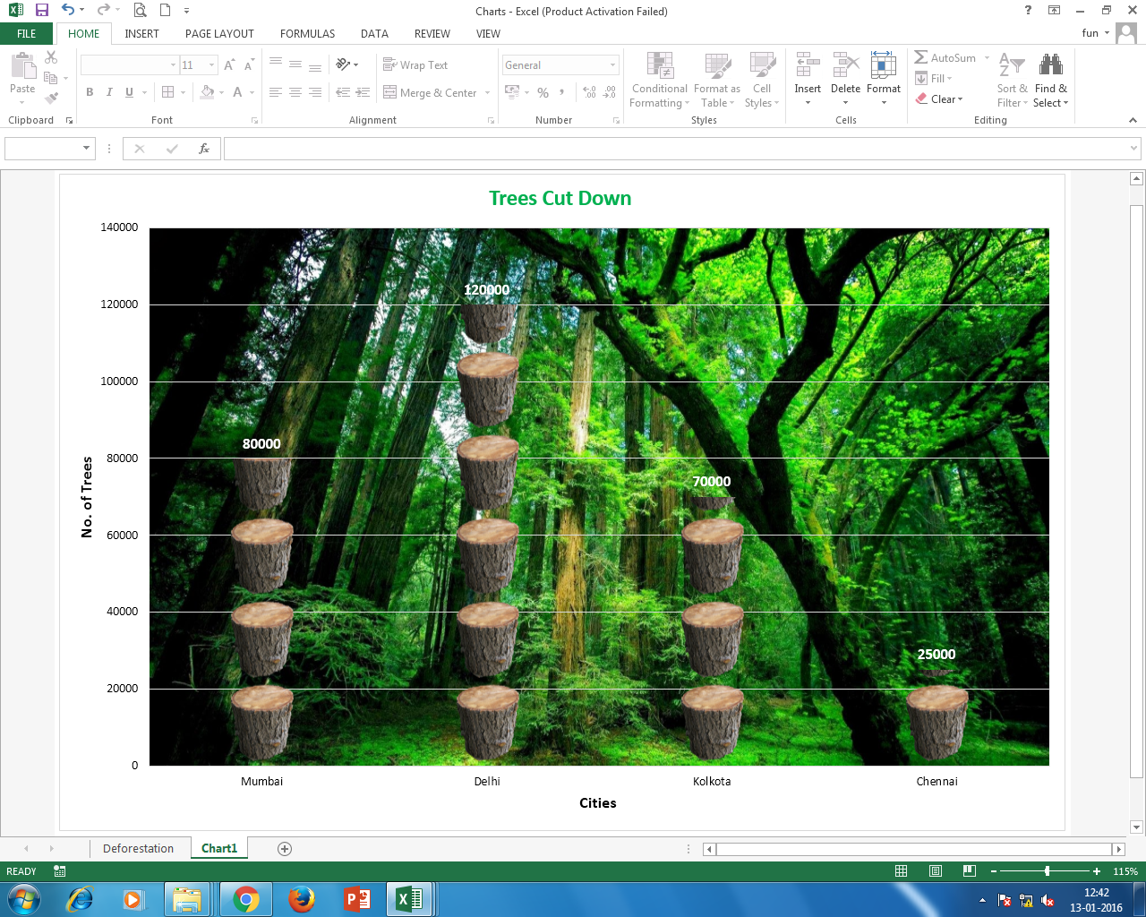

2 | Save the Workbook.

